Defect Report
QA |  |  |  |  |  |  | DEV
Defect ID | Defect Description | Steps | Priority | Seviority | Test Case ID | Screen Shot | Resolution Types | Status | Fixed By | Fixed DATE
(TASK_4)1 | Payment method of the bank transfer doesnot work correctly | 1. Open the application "https://zid.sa/" 2. click on the E button on the top left 3. click on the login link on the top right 4. fill in form with data 5. click submit 6. click on manage Subscriptions 7. scroll to bottom of the page and click on subscribe 8.select the second option the bank transfer 9.click on upload photo and upload any photo 10.message appeared that you have subscribed successfully | P1 | Critical | TC_01_payment | 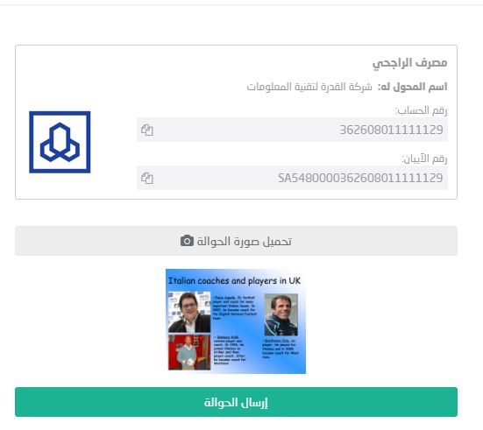
2 | Contact us Link directs to wrong page | 1. Open the application "https://zid.sa/" 2. click on the E button on the top left 3. click on the login link on the top right 4. fill in form with data 5. click submit 6. click on manage Subscriptions 7. scroll to bottom of the page and click on contact us on the left | p1 | Critical | TC_03_contact us
3 | There is a register button in a page after the user login | 1. Open the application "https://zid.sa/" 2. click on the E button on the top left 3. click on the login link on the top right 4. fill in form with data 5. click submit 6. scroll to bottom of the page 7. click on the right link which says requrst from alibaba & china | p3 | Medium | TC_02_Register_button_after_login
4 | Reports section report all the records zeroo in all sections of the drop down list | 1. Open the application "https://zid.sa/" 2. click on the E button on the top left 3. click on the login link on the top right 4. fill in form with data 5. click submit 6. scroll to middle of the page to reports section 7. in the drop down menu pick up any choice | p2 | High | TC_01_Reports_section
5 | The change language from arabic to english link doesnot work correctly | 1. Open the application "https://zid.sa/" 2. click on the E button on the top left | p1 | Critical | TC_01_Language
6 | user can input english in the arabic store name | 1. Open the application "https://zid.sa/" 2. click on the E button on the top left 3. click on the register link on the top right 4. fill in form with data 5. click next 6. fill in form 2 with data 7. click submit | p1 | Critical | TC_02_Register

 | Priority | Seviority
 | P1 | Critical
 | P2 | High
 | P3 | Medium
 |  | Low

